charts
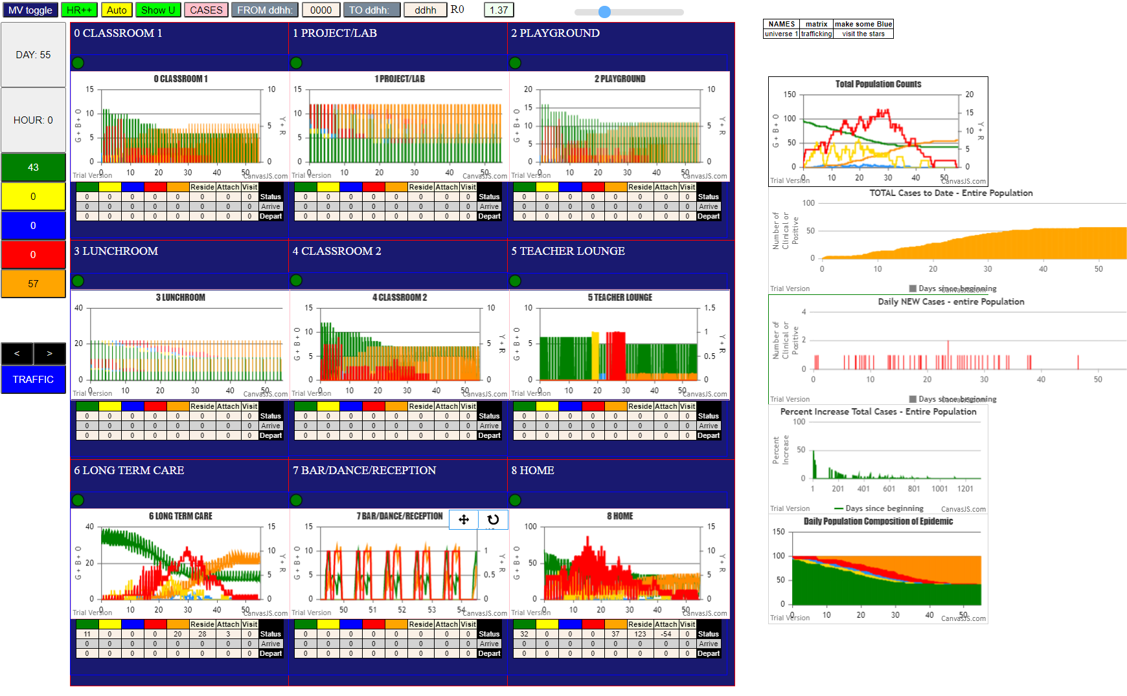

LTC mF | 1
U7 | 30

